3.2new
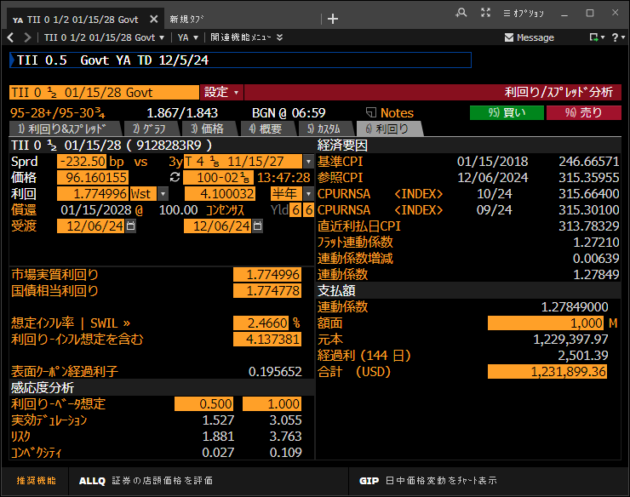

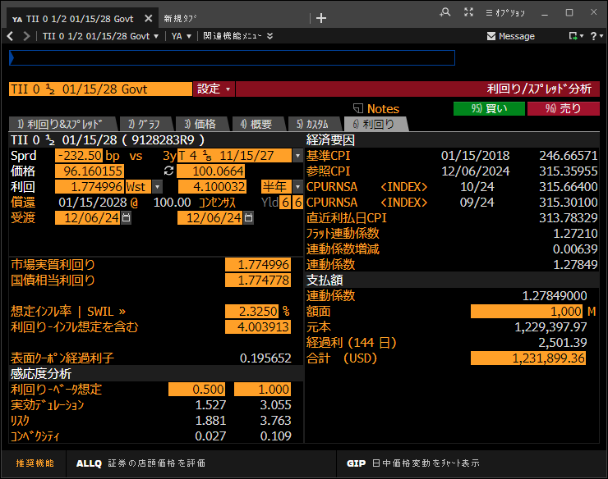

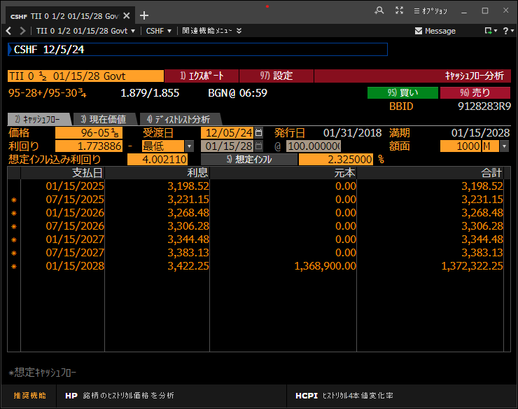

3.6
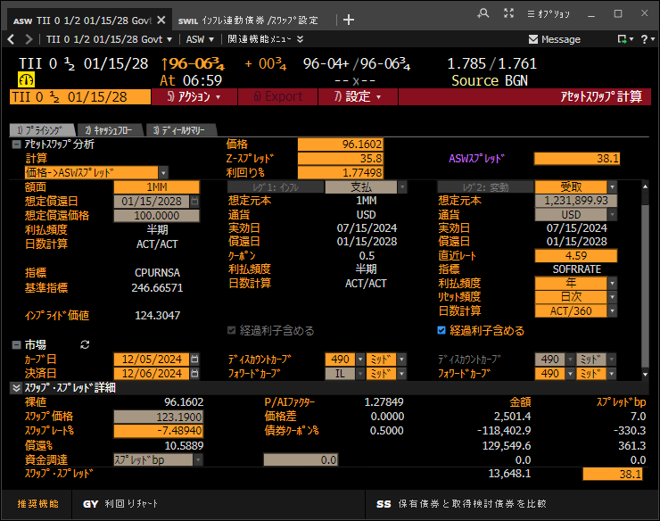
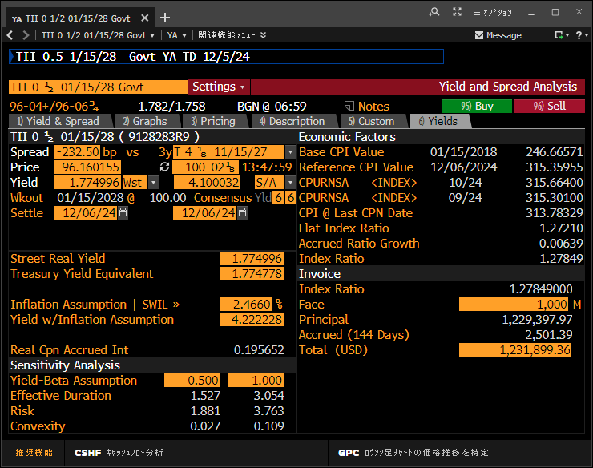
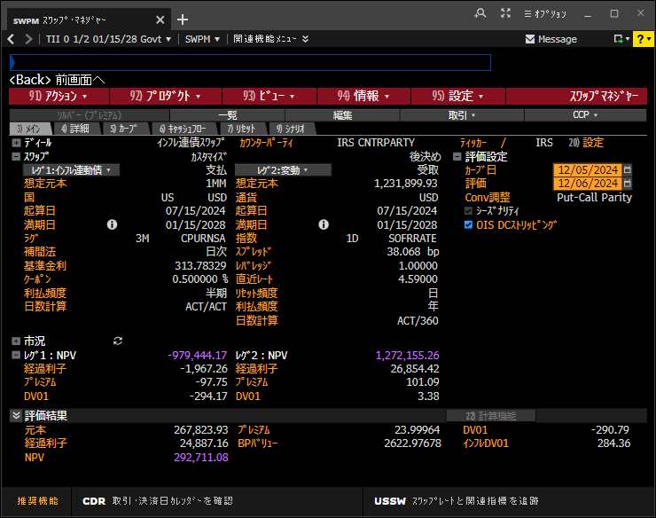
Settle Date |  | Clean | IndxRatio | Gross Prc | Accrued
12/06/2024 |  | 96.1602 | 1.27849 | 122.9399 | 0.2501 | (**Gross Prc = C2*D2)
 | (Act/360) |  |  | Bond
Pay Date | Days | Tenor | Discount | Payment
01/15/2025 | 40 | 0.111 | 0.995040 | 0.3198
07/15/2025 | 181 | 0.503 | 0.974314 | 0.3248
01/15/2026 | 184 | 0.511 | 0.955396 | 0.3281
07/15/2026 | 181 | 0.503 | 0.937807 | 0.3332
01/15/2027 | 184 | 0.511 | 0.920648 | 0.3364
07/15/2027 | 181 | 0.503 | 0.904276 | 0.3414
01/15/2028 | 184 | 0.511 | 0.887981 | 138.1237 | ( Formula of column E)
 |  |  | Annuity | 2.93931 | =SUMPRODUCT(C5:C11,D5:D11)
 |  |  | B swap | 124.530 | =SUMPRODUCT(D5:D11,E5:E11)
 |  |  | Dirty price | 123.190 | =E2+F2
 |  |  | ParPar Spread | 45.6 | =(E13-E14)/E12*100
 |  |  | ASW Sprd (Proceeds) | 37.0 | =E15/E14*100

 |  |  | 償還時CPIの逆算 | 339.85404 | =E11/D2/100

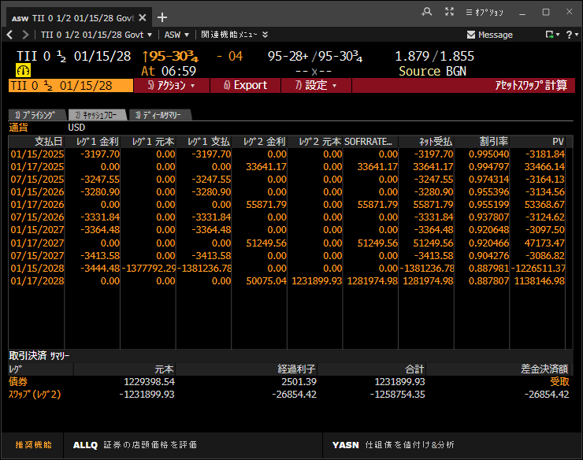
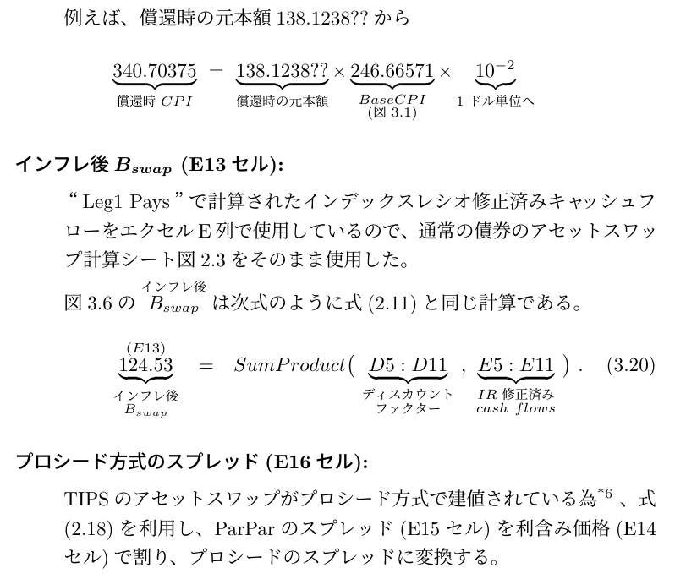
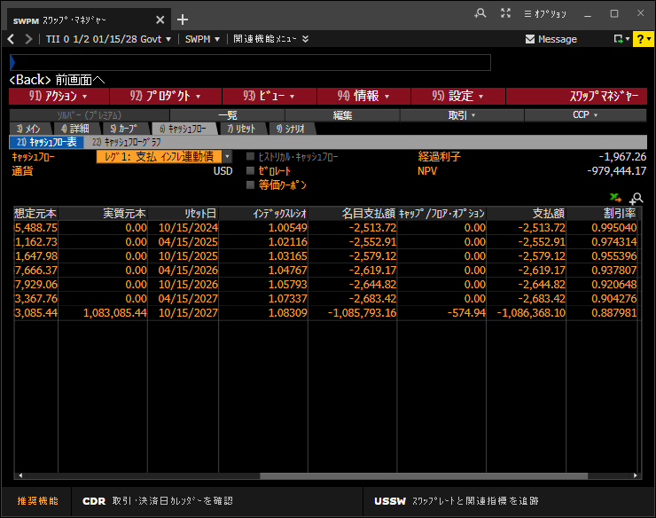
テキストの修正
 |  |  |  |  |  |  | 313.78329
 |  |  |  |  |  |  | 1.08309
 |  |  |  |  |  |  | 339.85554357

3.6old
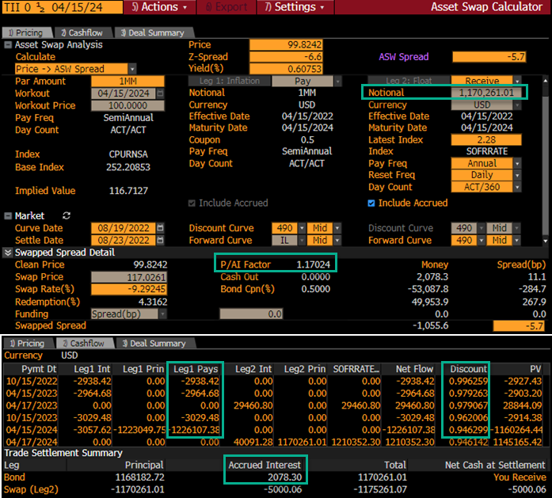
Settle Date |  | Clean | IndxRatio | Gross Prc | Accrued
08/23/2022 |  | 99.8242 | 1.17024 | 116.8183 | 0.2078 | (**Gross Prc = C2*D2)
 | (Act/360) |  |  | Bond
Pay Date | Days | Tenor | Discount | Payment
10/15/2022 | 53 | 0.147 | 0.996259 | 0.2938
04/15/2023 | 182 | 0.506 | 0.979263 | 0.2965
10/15/2023 | 183 | 0.508 | 0.962006 | 0.3029
04/15/2024 | 183 | 0.508 | 0.946299 | 122.6107 | ( Formula of column E)
 |  |  | Annuity | 1.61180 | =SUMPRODUCT(C5:C8,D5:D8)
 |  |  | B swap | 116.901 | =SUMPRODUCT(D5:D8,E5:E8)
 |  |  | Dirty price | 117.026 | =E2+F2
 |  |  | ParPar Spread | -7.8 | =(E12-E13)/E11*100
 |  |  | ASW Sprd (Proceeds) | -6.6 | =E14/E13*100

